실험 결과 요약
파라미터 실험 결과 요약

ExperimentRow별 Total Score
Rank | ExperimentRow | ExperimentLabel | CameraPreset | LidarPreset | LidarNoiseStdDev | ObstacleThresholdCm | SourceFileCount | FrameCount | DurationSec | AvgVelocity_kmh | MaxVelocity_kmh | MinVelocity_kmh | VelocityStd | AvgFrameDeltaVelocity | MaxFrameDeltaVelocity | AvgLoggedAccel_ms2 | MaxLoggedAccel_ms2 | AvgSteeringInput | MaxSteeringInput | SteeringStd | AvgThrottleInput | LidarObstacleScore | LidarNoiseScore | CameraPresetScore | SensorSyncScore | SyncRatePercent | TotalScore | 검증 결과
1 | Test_Wide_VLP16_Clean | Wide FOV + VLP16 + Almost No Noise | Tesla HW3 Wide (120°) | Velodyne VLP-16 | 0 | 300 | 1 | 320 | 31.9 | 58.17 | 75.04 | 46.74 | 7.736 | 0.272 | 2.55 | 0.761 | 7.087 | 0.393 | 0.6879 | 0.169 | 0.194 | 30.219 | 100 | 95.016 | 100 | 0 | 81.309 | CSV 결과 확인 완료 / 통합 테스트 PASS
2 | Test_Waymo_Ouster_CleanLong | Waymo Camera + Ouster 64 + Clean Long Range | Waymo 5th Gen | Ouster OS1-64 | 0 | 500 | 2 | 570 | 31.91 | 69.406 | 98.18 | 52.81 | 13.381 | 0.51 | 3.47 | 1.426 | 9.6326 | 0.319 | 0.6245 | 0.169 | 0.255 | 30.439 | 100 | 90.035 | 100 | 0 | 80.119 | CSV 결과 확인 완료 / 통합 테스트 PASS
3 | Test_Narrow_VLP32_HighNoise | Narrow Camera + VLP32 High Noise | Tesla HW3 Narrow (35°) | Velodyne VLP-32C | 5 | 1000 | 1 | 320 | 31.9 | 59.182 | 85.22 | 46.47 | 9.999 | 0.39 | 2.83 | 1.083 | 7.8826 | 0.376 | 0.6787 | 0.172 | 0.26 | 80.707 | 50.156 | 75.078 | 100 | 0 | 76.485 | CSV 결과 확인 완료 / 통합 테스트 PASS
4 | Test_Main_VLP16_Default | Main Camera + VLP16 Default | Tesla HW3 Main (50°) | Velodyne VLP-16 | 2 | 700 | 1 | 320 | 31.9 | 72.962 | 98.34 | 46.73 | 13.269 | 0.642 | 3.9 | 1.785 | 10.8312 | 0.314 | 0.6269 | 0.174 | 0.26 | 30.489 | 80.062 | 85.047 | 100 | 0 | 73.9 | CSV 결과 확인 완료 / 통합 테스트 PASS
5 | Test_Wide_VLP32_ExtremeNoise | Wide FOV + VLP32 + Extreme Noise | Tesla HW3 Wide (120°) | Velodyne VLP-32C | 50 | 2500 | 3 | 900 | 32.1 | 59.729 | 98.36 | 46.32 | 11.806 | 0.383 | 3.05 | 1.065 | 8.4587 | 0.355 | 0.6823 | 0.176 | 0.254 | 74.142 | 0.333 | 95.017 | 100 | 0 | 67.373 | CSV 결과 확인 완료 / 통합 테스트 PASS
6 | Test_Main_VLP16_Normal | Main FOV + VLP16 + Normal Noise | Tesla HW3 Main (50°) | Velodyne VLP-16 | 5 | 700 | 1 | 320 | 31.9 | 70.482 | 98.27 | 46.58 | 15.341 | 0.63 | 2.98 | 1.75 | 8.2631 | 0.319 | 0.6825 | 0.19 | 0.252 | 30.219 | 50.156 | 85.047 | 100 | 0 | 66.355 | CSV 결과 확인 완료 / 통합 테스트 PASS
7 | Test_Narrow_VLP32_Noisy | Narrow FOV + VLP32 + Strong Noise | Tesla HW3 Narrow (35°) | Velodyne VLP-32C | 25 | 1500 | 3 | 1352 | 268.92 | 67.644 | 100.4 | 0.29 | 18.311 | 0.682 | 33.17 | 1.829 | 13.6451 | 0.314 | 0.6735 | 0.19 | 0.284 | 79.434 | 0.37 | 75.092 | 100 | 0 | 63.724 | CSV 결과 확인 완료 / 통합 테스트 PASS

평균 조향 입력 비교

전체 아키텍처
전체 아키텍처 다이어그램 - Pawn / Component 관계도

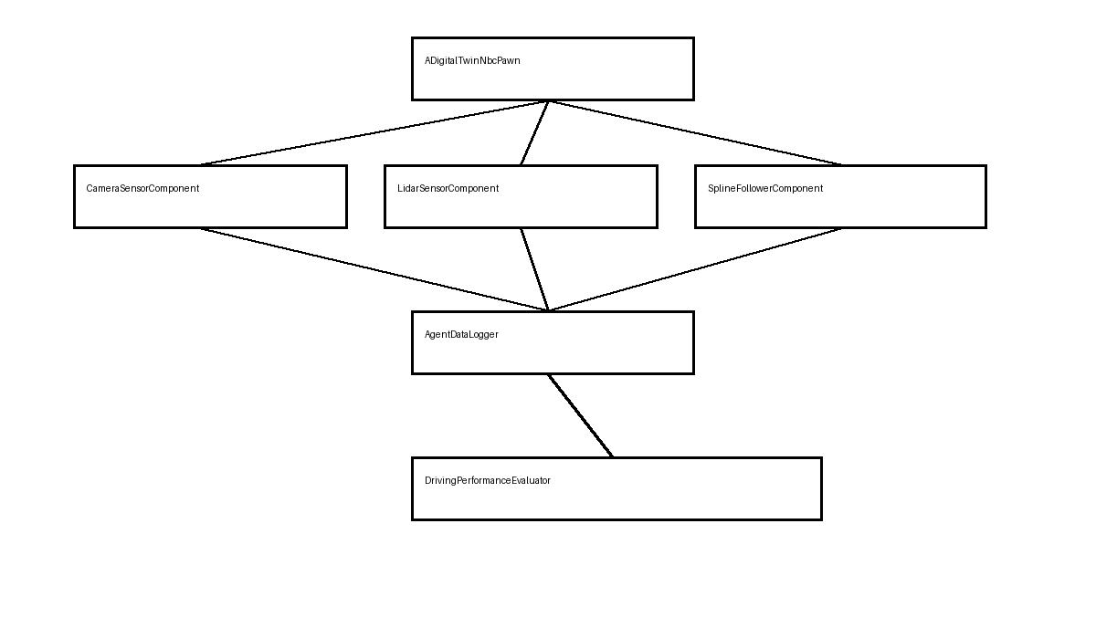
구분 | 구성 요소 | 관계 / 데이터 흐름 | 검증 상태
Pawn Root | ADigitalTwinNbcPawn | 차량 Pawn의 중심. Mesh/Movement/Sensor/Logger 컴포넌트 생성 및 입력 연결 | 확인 완료
Movement | ChaosWheeledVehicleMovement | DoSteering / DoThrottle / DoBrake에서 차량 물리 입력 반영 | 확인 완료
Camera View | FrontCamera / BackCamera | 전방 센서 뷰와 후방 주행 카메라 전환 | 확인 완료
Camera Sensor | CameraSensorComponent | RenderTarget 생성 후 PlayerController의 Sensor View UI로 전달 | 확인 완료
LiDAR Sensor | LidarSensorComponent | BEV RenderTarget 제공, UI 표시 상태에 따라 StartScan / StopScan 처리 | 확인 완료
Path Following | SplineFollowerComponent | 한 바퀴 주행 경로를 따라 차량 입력 생성 | 확인 완료
Experiment | SensorExperimentComponent | ExperimentRow / Preset / Sensor 평가값을 AgentDataLogger CSV 컬럼에 제공 | CSV 컬럼 확인 완료
Logging | AgentDataLogger | 위치/UTM/속도/가속도/조향/Throttle/센서 평가값 CSV 저장 | 결과 CSV 정상 확인 완료
Evaluation | DrivingPerformanceEvaluator | LiDAR 장애물/노이즈/카메라 프리셋/센서 동기화/총점 계산 | 점수 컬럼 확인 완료

데이터 흐름
데이터 흐름 다이어그램 - 주행 입력부터 CSV 분석까지

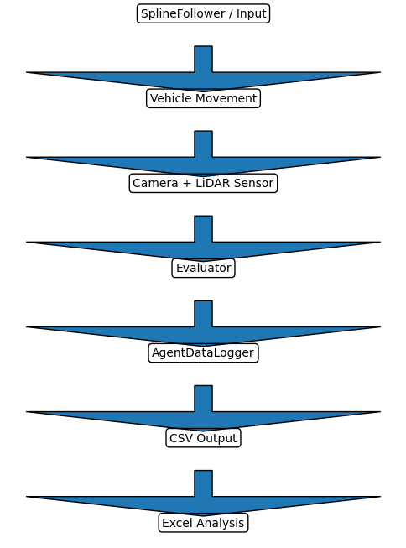
단계 | 데이터 흐름 | 담당 컴포넌트 | 출력 / 확인 데이터 | 결과
1 | SplineFollower 또는 입력 → Steering/Throttle 생성 | SplineFollower / Pawn Input | SteeringInput, ThrottleInput | 확인 완료
2 | 차량 물리 이동 | ChaosWheeledVehicleMovement | World Location, Velocity, Yaw | 확인 완료
3 | 카메라 센서 캡처 | CameraSensorComponent | Camera RenderTarget | 확인 완료
4 | LiDAR 스캔 및 BEV 생성 | LidarSensorComponent | ObstaclePointCount, ClosestObstacleDistance | 확인 완료
5 | 센서 동기화 평가 | SensorSync / Evaluator | SensorSyncDeltaSeconds, bCameraLidarSynced | CSV 확인 완료
6 | 센서 점수 계산 | DrivingPerformanceEvaluator | LidarObstacleScore, LidarNoiseScore, CameraPresetScore, SensorSyncScore, TotalScore | 점수 확인 완료
7 | CSV 저장 | AgentDataLogger | AgentData CSV | 결과 CSV 정상 확인 완료
8 | ExperimentRow 기준 분석 | Excel 분석 리포트 | 실험별 요약/상세 분석/검증 문서 | 작성 완료

